List of methods - 4
Part | Chapter | Table | Name
4 | 6.4.4 | 1 | System architectural design analysis
 |  |  | Not ASIL dependent
4 | 6.4.9 | 2 | Verification
 |  |  | Not ASIL dependent | 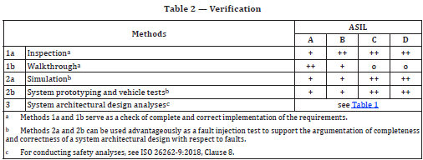
4 | 7.4.1 | 3 | Methods for deriving test cases for integration testing
 |  |  | Not ASIL dependent | 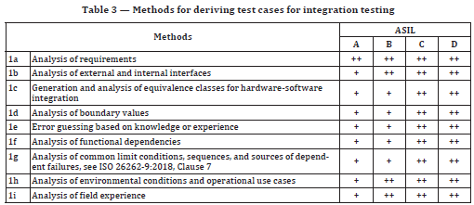
4 | 7.4.2 | 4 | Correct implementation of technical safety requirements at the hardware-software level
 |  |  | Not ASIL dependent | 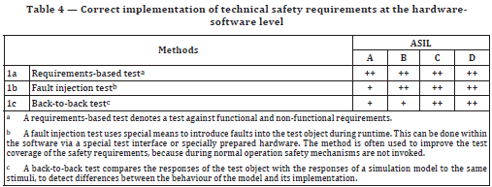
4 | 7.4.2 | 5 | Correct functional performance, accuracy and timing of safety mechanisms at the hardware-software level
 |  |  | ASIL (A), B, C, D
4 | 7.4.2 | 6 | Consistent and correct implementation of external and internal interfaces at the hardware-software level
 |  |  | ASIL (A), B, C, D
4 | 7.4.2 | 7 | Effectiveness of a safety mechanisms at the hardware-software level
 |  |  | ASIL (A), (B), C, D
4 | 7.4.2 | 8 | Level of robustness at the hardware-software level
 |  |  | ASIL (A), (B), (C), D
4 | 7.4.3 | 9 | Correct implementation of functional safety and technical safety requirements at the system level
 |  |  | Not ASIL dependent | 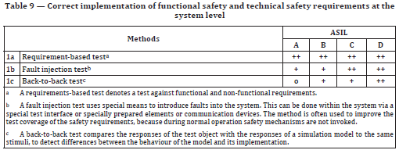
4 | 7.4.3 | 10 | Correct functional performance, accuracy and timing of safety mechanisms at the system level
 |  |  | ASIL (A), (B), (C), D | 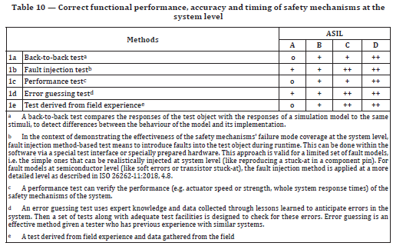
4 | 7.4.3 | 11 | Consistent and correct implementation of external and internal interfaces at the system level
 |  |  | Not ASIL dependent | 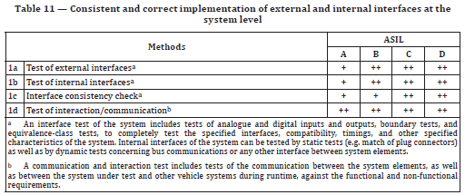
4 | 7.4.3 | 12 | Level of robustness at the system level
 |  |  | Not ASIL dependent | 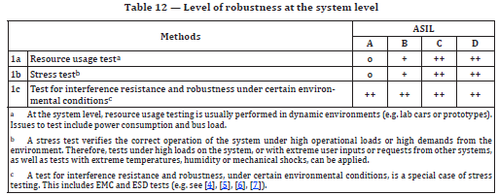
4 | 7.4.4 | 13-16 | In response of OEM

List of methods - 5
Part | Chapter | Table | Name
5 | 7.4.1 | 1 | Properties of hardware architectural design
 |  |  | Not ASIL dependent
5 | 7.4.3 | 2 | Hardware design safety analysis
 |  |  | Not ASIL dependent
5 | 7.4.4 | 3 | Hardware design verification
 |  |  | Not ASIL dependent | 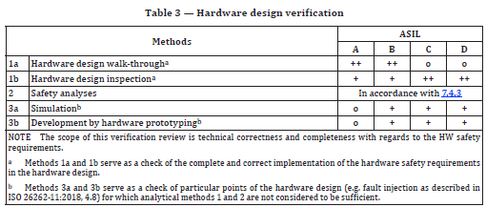
5 | 10.4.4 | 10 | Methods for deriving test cases for hardware integration testing
 |  |  | Not ASIL dependent | 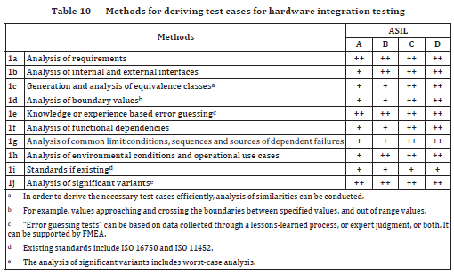
5 | 10.4.5 | 11 | Hardware integration tests to verify the completeness and correctness of the implementation of the hardware safety requirements
 |  |  | Not ASIL dependent | 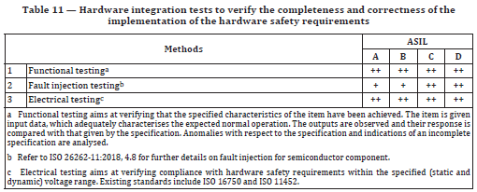
5 | 10.4.6 | 12 | Hardware integration tests to verify durability, robustness and operation under stresses
 |  |  | Not ASIL dependent | 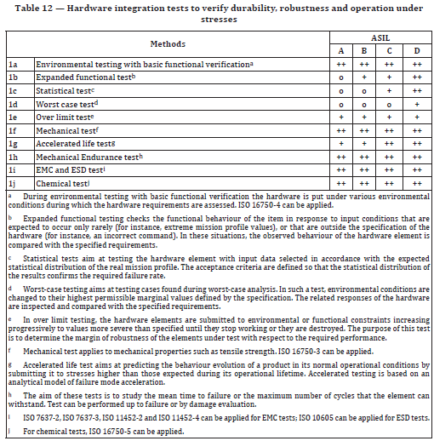

List of methods - 6
Part | Chapter | Table | Name
6 | 5.4.2 | 1 | Topics to be covered by modelling and coding guidelines
 |  |  | Not ASIL dependent | 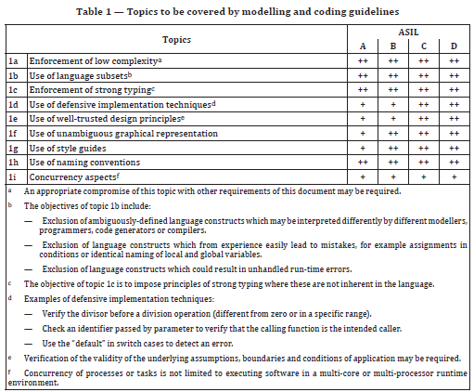
6 | 7.4.1 | 2 | Notations for software architectural design
 |  |  | Not ASIL dependent | 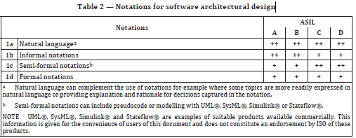
6 | 7.4.3 | 3 | Principles for software architectural design
 |  |  | Not ASIL dependent | 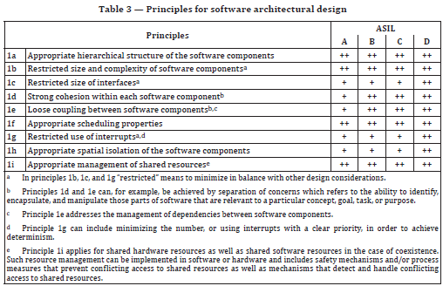
6 | 7.4.14 | 4 | Methods for the verification of the software architectural design
 |  |  | Not ASIL dependent | 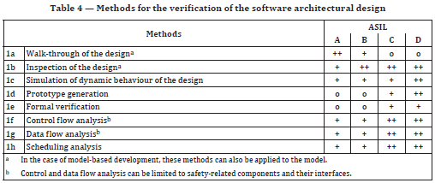
6 | 8.4.3 | 5 | Notations for software unit design
 |  |  | Not ASIL dependent | 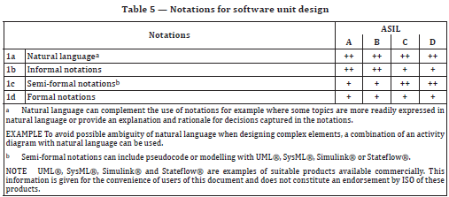
6 | 8.4.5 | 6 | Design principles for software unit design and implementation
 |  |  | Not ASIL dependent | 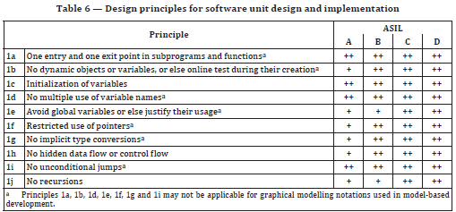
6 | 9.4.2 | 7 | Methods for software unit verification
 |  |  | Not ASIL dependent | 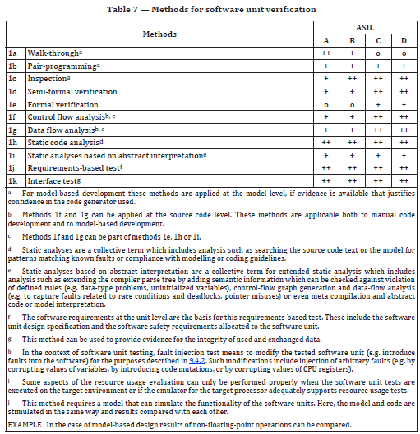
 |  |  | Not ASIL dependent | 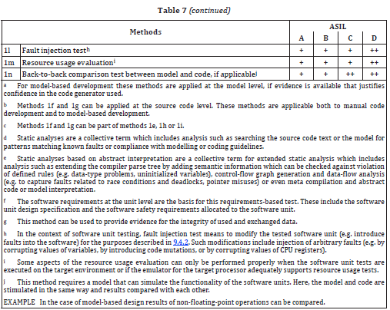
6 | 9.4.3 | 8 | Methods for deriving test cases for software unit testing
 |  |  | Not ASIL dependent | 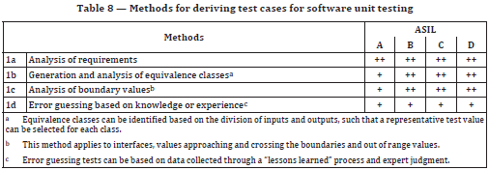
6 | 9.4.4 | 9 | Structural coverage metrics at the software unit level
 |  |  | Not ASIL dependent
6 | 10.4.2 | 10 | Methods for verification of software integration
 |  |  | Not ASIL dependent | 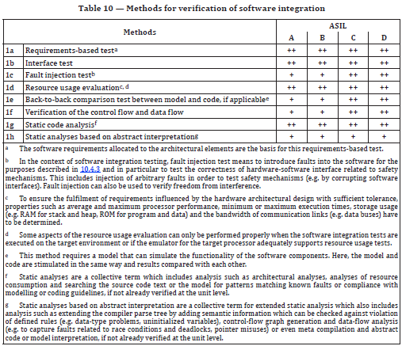
6 | 10.4.3 | 11 | Methods for deriving test cases for software integration testing
 |  |  | Not ASIL dependent | 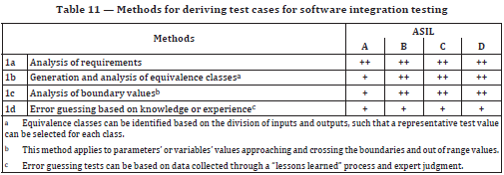
6 | 10.4.5 | 12 | Structural coverage at the software architectural level
 |  |  | ASIL (A), (B), C, D
6 | 11.4.1 | 13 | Test environments for conducting the software testing
 |  |  | Not ASIL dependent
6 | 11.4.2 | 14 | Methods for tests of the embedded software
 |  |  | Not ASIL dependent
6 | 11.4.3 | 15 | Methods for deriving test cases for the test of the embedded software
 |  |  | Not ASIL dependent | 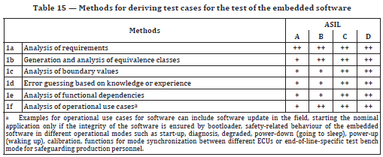

List of methods - 8
Part | Chapter | Table | Name
8 | 6.4.1 | 1 | Specifying safety requirements
 |  |  | Not ASIL dependent | 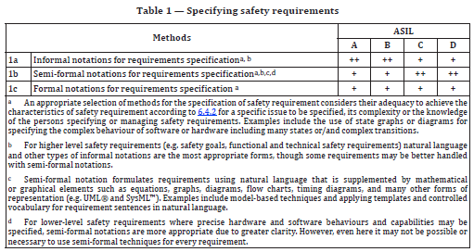
8 | 6.4.2 | 2 | Methods for the verification of safety requirements
 |  |  | Not ASIL dependent
8 | 11.4.6 | 4 | Qualification of software tools classified TCL3
 |  |  | Not ASIL dependent
8 | 11.4.6 | 5 | Qualification of software tools classified TCL2
 |  |  | Not ASIL dependent

